TEDB Edition 40
 | This graph presents for each one of the four tire-combination categories the percent of total fuel that is consumed when traveling at different speeds (bars) as well as the average percent of fuel consumed for each speed bin (line). As opposed to Table 5.12, the total fuel consumed on this graph includes the fuel consumed while idling.

 | Figure 5.5. Class 8 Truck Percent of Total Fuel Consumed as a Function
 | of Speed and Tractor-Trailer Tire Combination

 | NOT ADJUSTED FOR TERRAIN: See note below.

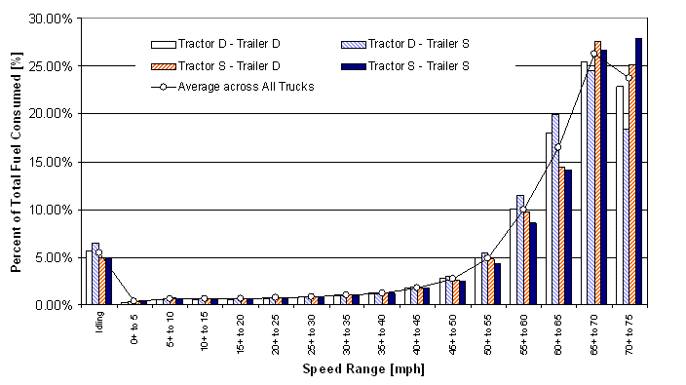

 |  | Percent Total Fuel Consumed
 | Speed | Tractor D - Trailer D | Tractor D - Trailer S | Tractor S - Trailer D | Tractor S - Trailer S | Average across All Trucks
 | Idling | 5.69% | 6.47% | 4.99% | 4.85% | 5.44%
 | 0+ to 5 | 0.31% | 0.34% | 0.37% | 0.36% | 0.34%
 | 5+ to 10 | 0.61% | 0.69% | 0.73% | 0.68% | 0.67%
 | 10+ to 15 | 0.59% | 0.66% | 0.64% | 0.60% | 0.62%
 | 15+ to 20 | 0.61% | 0.67% | 0.66% | 0.62% | 0.64%
 | 20+ to 25 | 0.70% | 0.76% | 0.73% | 0.69% | 0.72%
 | 25+ to 30 | 0.82% | 0.88% | 0.85% | 0.81% | 0.84%
 | 30+ to 35 | 1.03% | 1.03% | 1.02% | 0.97% | 1.02%
 | 35+ to 40 | 1.23% | 1.29% | 1.29% | 1.27% | 1.27%
 | 40+ to 45 | 1.79% | 1.91% | 1.80% | 1.75% | 1.80%
 | 45+ to 50 | 2.78% | 2.99% | 2.60% | 2.47% | 2.70%
 | 50+ to 55 | 4.99% | 5.42% | 4.83% | 4.30% | 4.89%
 | 55+ to 60 | 10.09% | 11.51% | 9.70% | 8.56% | 9.94%
 | 60+ to 65 | 17.99% | 19.92% | 14.41% | 14.07% | 16.44%
 | 65+ to 70 | 25.43% | 24.41% | 27.56% | 26.64% | 26.20%
 | 70+ to 75 | 22.89% | 18.35% | 25.11% | 27.85% | 23.72%
 | 75+ to 85 | 2.47% | 2.70% | 2.71% | 3.52% | 2.75%
 | Total | 100.00% | 100.00% | 100.00% | 100.00% | 100.00%

Note: D = Dual tire. S = Single (wide) tire.
These data are not adjusted to account for the effects of terrain. The increase
in fuel economy for speeds above 70 mph is likely due to the vehicle achieving
high speeds while traveling down slope. Therefore, this increase in fuel
economy is not expected to be characteristic of all travel at these higher speeds.

Source:
Capps, Gary, Oscar Franzese, Bill Knee, M. B. Lascurain, and Pedro Otaduy.
Class-8 Heavy Truck Duty Cycle Project Final Report, ORNL/TM-2008/122,
Oak Ridge National Laboratory, Oak Ridge, TN, December 2008.
(Additional resources: cta.ornl.gov/cta/Publications/Reports/ORNL_TM_2008-122.pdf)

